Sheet1
 |  | Document No. | Issue No. | Issue Date |  | Review and Replace Date |  | Authorised By
 |  | GFF071MC | 4 | 06.11.2020 |  | 14.09.2022
 |  | Document Title | 4 Chicken Spring Rolls 200g
 |  |  |  |  |  |  |  | Magda Shah
Document amendments reason for change |  | addidional allergen added 'Milk' | Page 1 of 1 |  | Previous Issue Date |  | 15.12.2021 | Uncontrolled copy unless signed original

CCSRM-R6T | GAZEBO |  | 4 Chicken Spring Rolls 200g

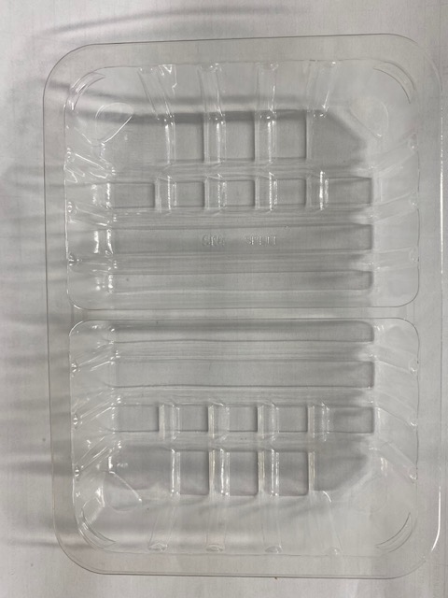 |  |  |  |  | 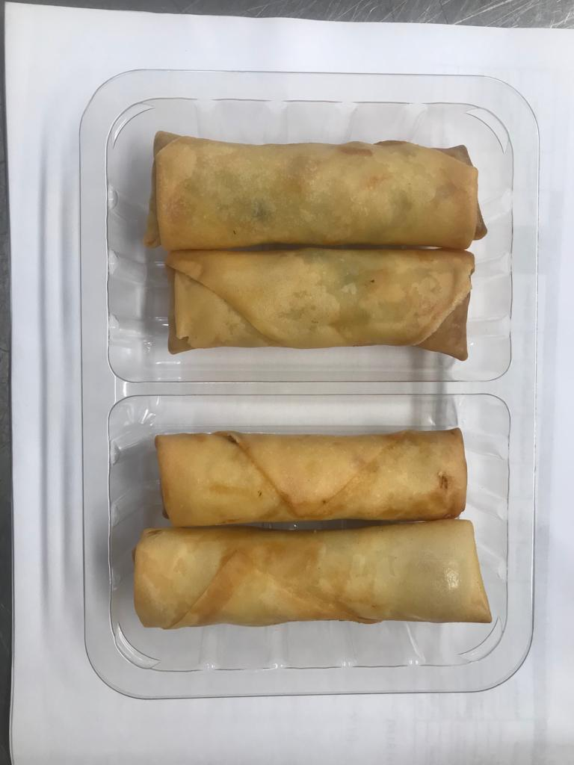

Tray: SK4 Split Clear (PKESS001-06) |  |  |  |  | Chicken Spring Roll (GFF007R) 50g: 4 pieces
Film: ME300AFV2, 300mmx 1000m (PKPRO001-16) |  |  |  |  | Total Weight: 200g
ALLERGY ALERT: MILK, SOYA, WHEAT

